Database Instructions
Activity-Departmental Scholarship Database
Instructions for Use

1. Terminal Server
A. Log in to the TSODBC terminal server using your user name and password.

2. Opening the database
A. Click on the icon to open MS Access.

B. Go to “File” and “Open”. Go to t:\FinaidPerformance Awards and access your folder. Double click on the database icon.

OR
C. Open My Computer. Go to t:\FinaidPerformance Awards and access your folder. Double click on the database icon.

Example of database icon:

3. Accessing the spreadsheet

A. Choose the aid year you want to access and then click on the box and says “Add/Edit/View Student Awards”
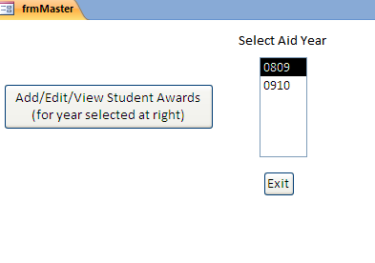

B. | Upon opening the database you will be presented with the following log-on screen. You will use your regular Banner user name and password.
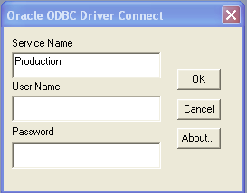

4. Editing Information

A. To add a student, enter their SSN or Banner ID. The name and other information automatically pull from Banner.

You will be able to see the student’s unmet need. This is the amount they are eligible for in institutional aid.

You will also see if the student is an athlete and their SAP status.

B. To award a student, choose the award from the drop down menu and enter the award amounts in the OfferAmt field breaking the total out between Fall and Spring. You can also change previously recorded amounts using these fields.

 | The most important thing to remember is when you add a student or make any
 | any changes, you need to check the Change Field.

 | Checking this field informs the Financial Aid Office that this information needs to be
 | entered into Banner. If your check disappears, that means the information is in Banner.

C. The Major and Comment fields are for your use and the information will stay once you enter it unless you make changes.

D. To delete a student that is not in Banner, click to the left of the row the student is on and then click “Delete” at the top. To remove an award after it is in Banner, you should mark it changed and change the amounts to zero.

When done and ready to close, (after closing MS Access) please log out of the terminal server using the Start button on the bottom left and log off. Do not click the X at the top of the screen, this will not log you off.

