Cover Page

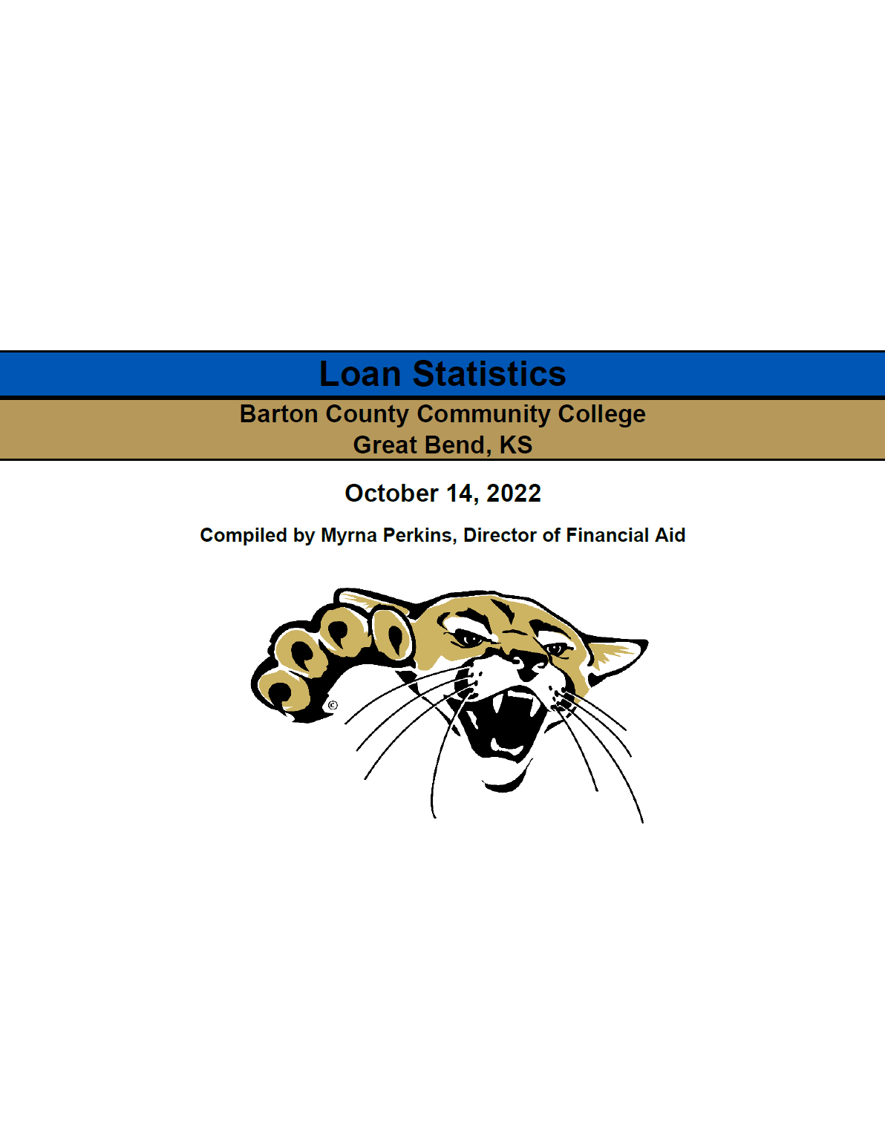

Loan Statistics
Barton County Community College
Great Bend, KS

2022-10-14

Compiled by Myrna Perkins, Director of Financial Aid

